Columns
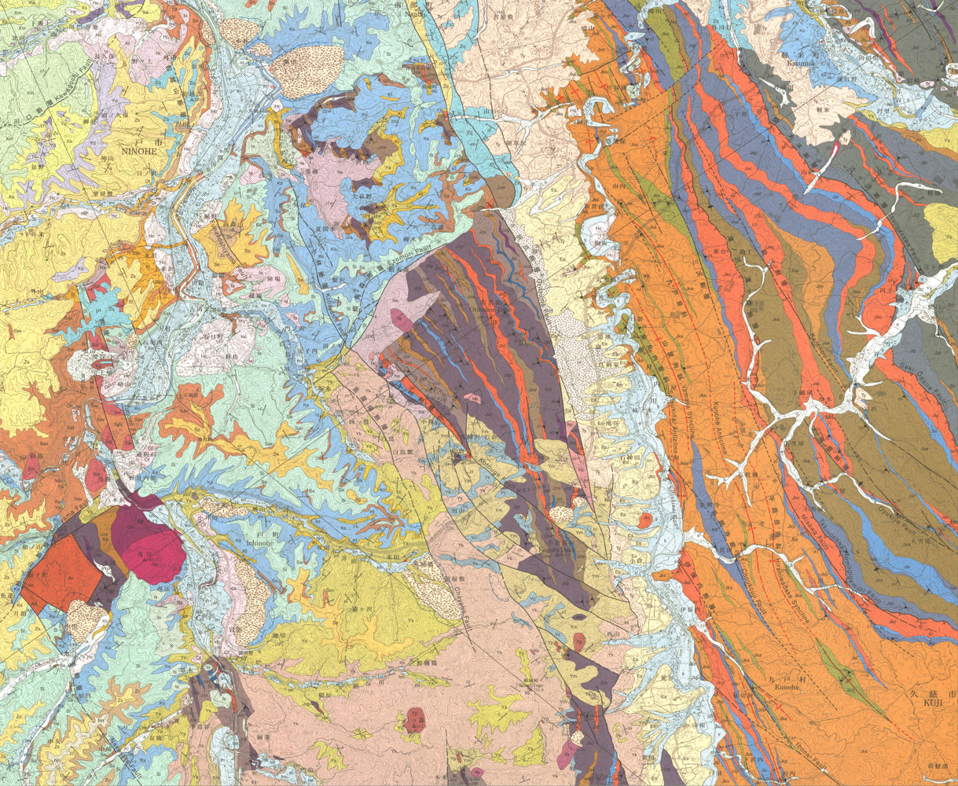
col_id | col_name | region_basis | lat | lng | geom | rgeom | evidence | status | ref_ids
western | Western Area | Regional label read from the source summary figure |  |  |  |  | No polygon or representative point is available. Review the PDF regional basis and add or verify coordinates. | CHECK | gsj1286
central | Central Area | Regional label read from the source summary figure |  |  |  |  | No polygon or representative point is available. Review the PDF regional basis and add or verify coordinates. | CHECK | gsj1286
eastern | Eastern Area | Regional label read from the source summary figure |  |  |  |  | No polygon or representative point is available. Review the PDF regional basis and add or verify coordinates. | CHECK | gsj1286

